SiteMap
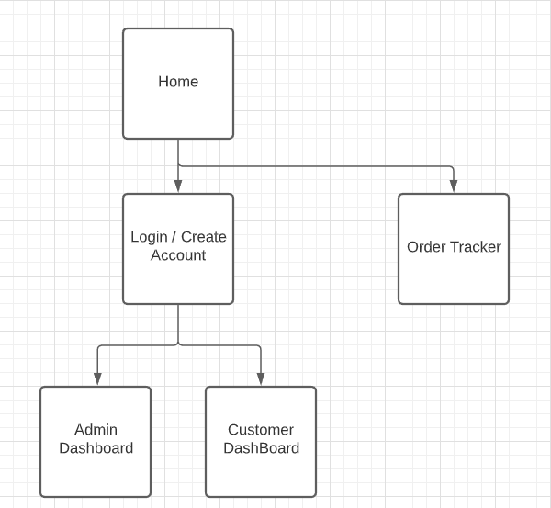

 | Notes
1 | User should be able to travel to any page from any page
2 | Each page gives user an experience
3 | Each page should have some sory of dynamic feature
4 | Each pasge should follow the same color flow
5 | User should not have access to Admin page

Wireframe-Home
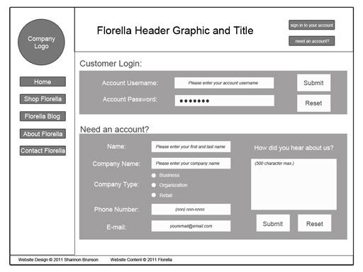

Notes
1 | Design the logo with the user in mind…..
2
3

Task:
1
2
4

Wireframe-SignInAdmin
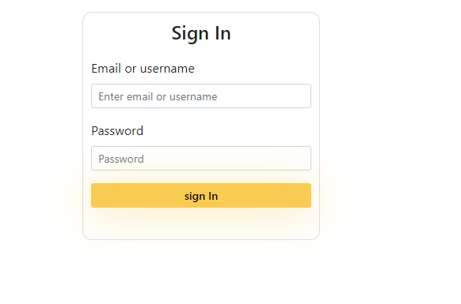

Notes
1 | Admin Login page
2 | Admin can use email or username to login
3 | An error alert will show if credentials arent correct

Task:
1 | Allows admin to login
2 | Page provides alert when not login correctly
3

Wireframe-SignUpPage
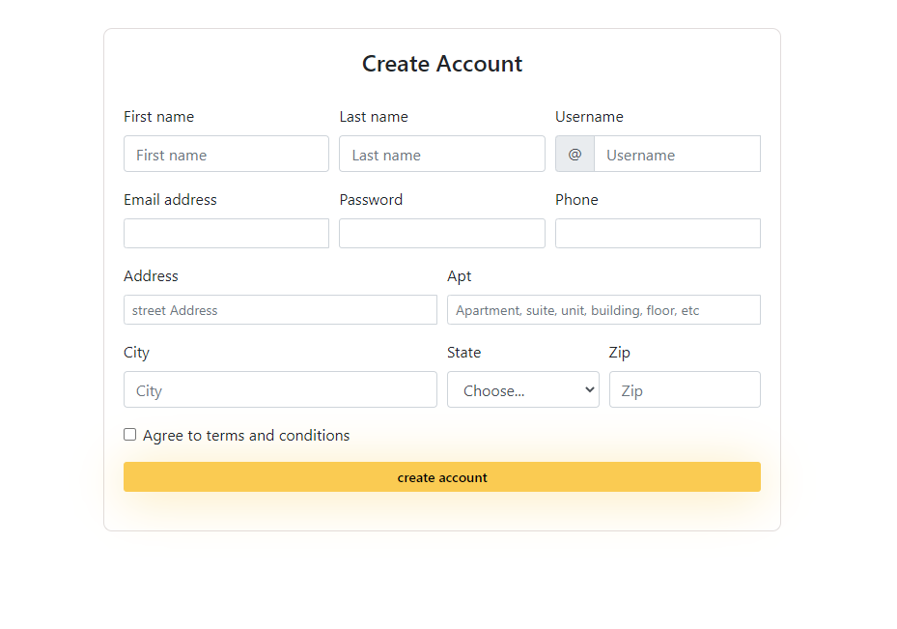

Notes
1 | Design the logo with the user in mind…..
2
3

Task:
1
2
4

Wireframe-TrackingNumSearch
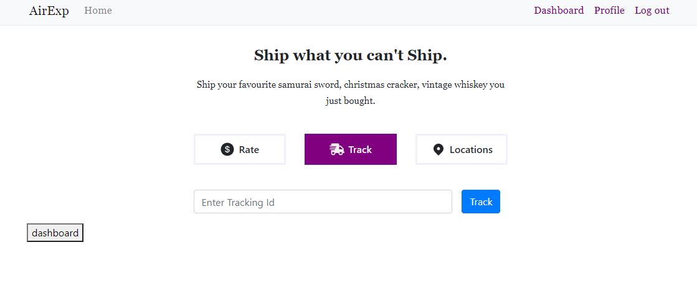
Notes
1 | Design the logo with the user in mind…..
2
3

Task:
1
2
4

Wireframe-CompanyOperatingLoc
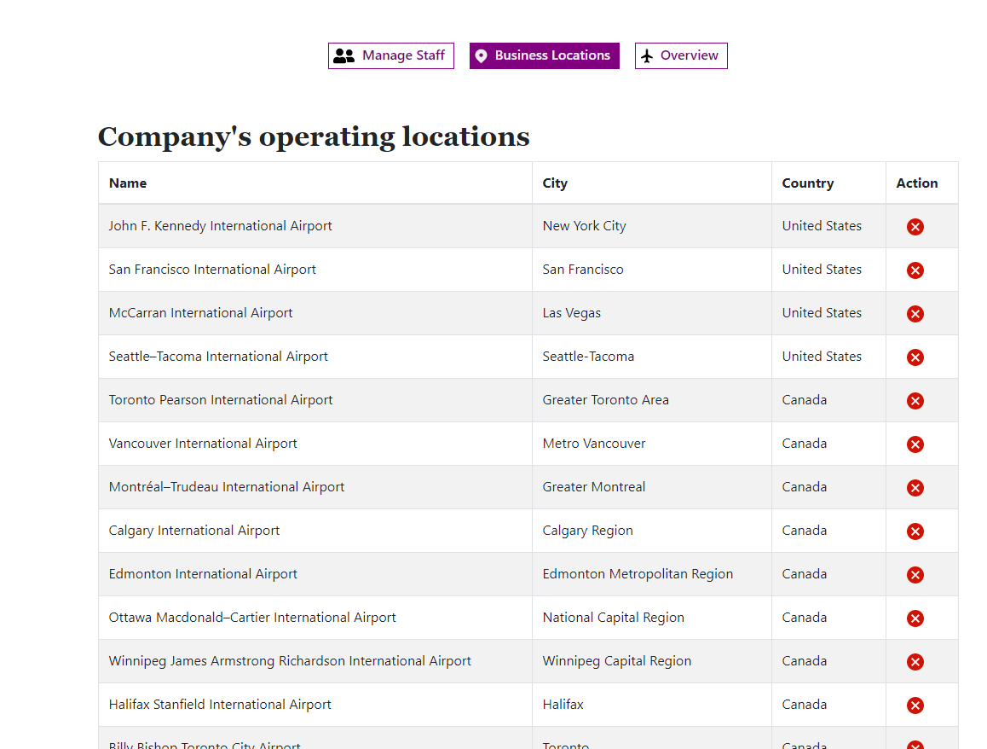

Notes
1 | Design the logo with the user in mind…..
2
3

Task:
1
2
4

Schema-Ver1
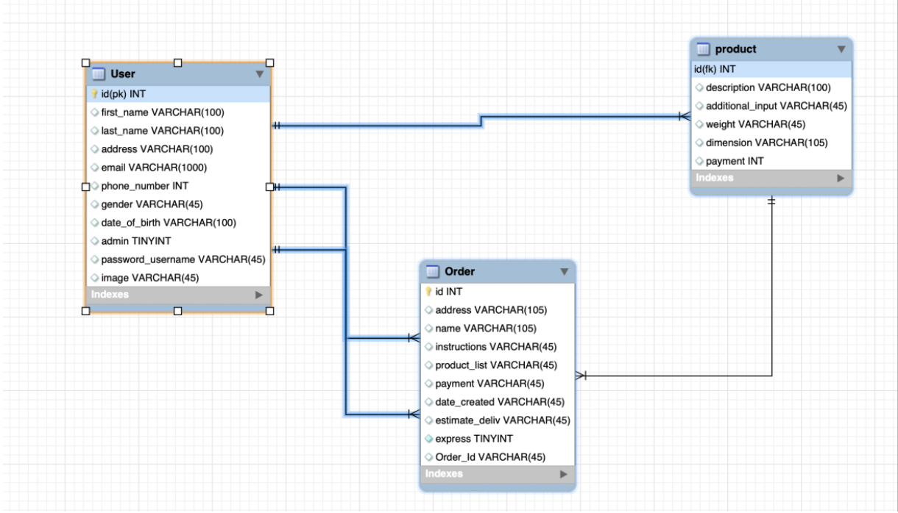

Notes
1 | Design the logo with the user in mind…..
2
3

Task:
1
2
4

